Process Map
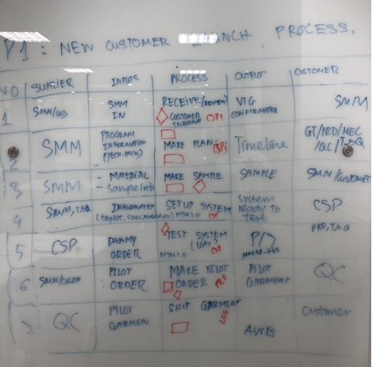
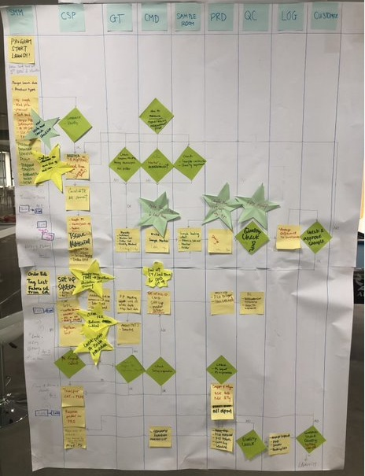
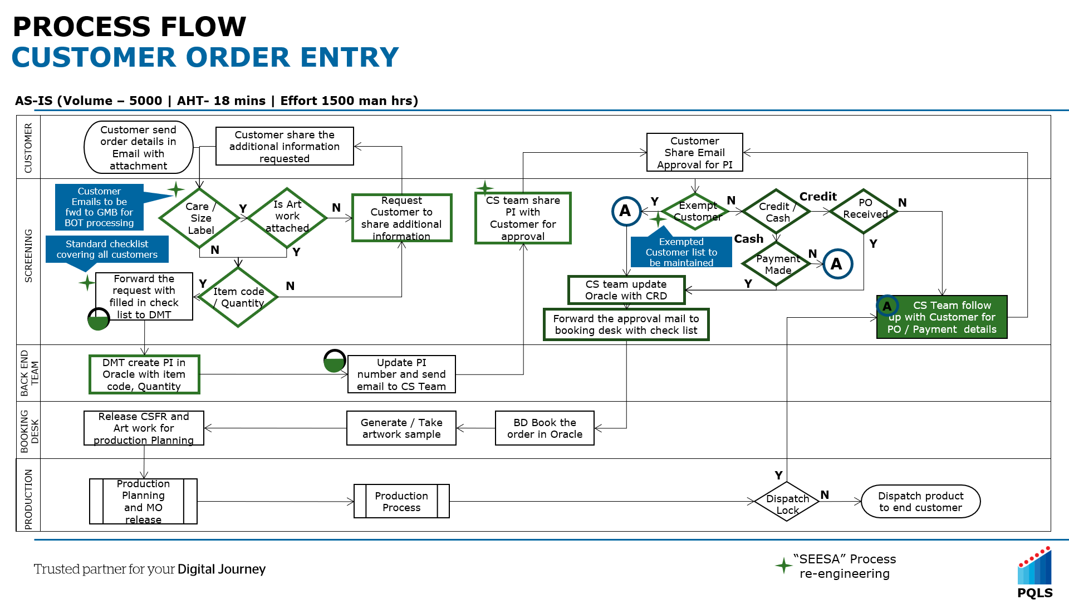
Team 1 Project Title Reduce lead time of new customer launching Scope Part 1: VTG-CSP receive information from SMM Part 2: Making sample and get customer approval Part 3: MTM2.0 system set up Part 4: System validation and finish pilot run

Part 1 - Kaizen 1
Kaizen / Poka Yoke

Theme | Standard request list between SMM and CSP |  |  |  |  | Lesson Number

Classification | Basic knowledge | Improvement cases | Trouble cases
Before |  |  |  |  | After
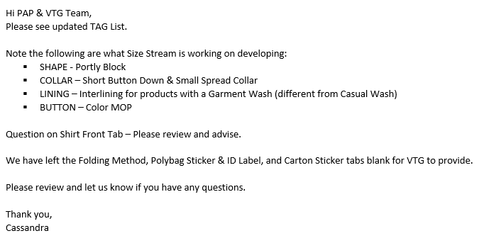 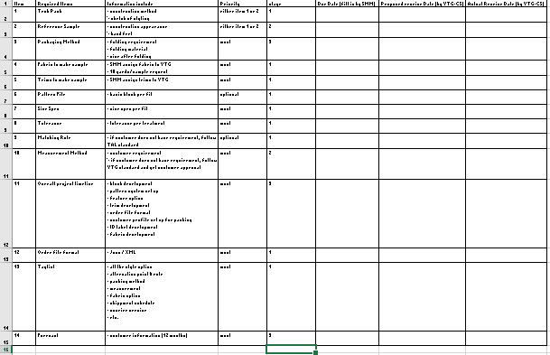
https://talapparel-my.sharepoint.com/:x:/r/personal/kalokwong_talapparel_com/_layouts/15/Doc.aspx?sourcedoc=%7Bb8c5251f-34b1-4f6d-ab4e-a58699cfd59c%7D&action=default&uid=%7BB8C5251F-34B1-4F6D-AB4E-A58699CFD59C%7D&ListItemId=81&ListId=%7B61B783AB-C58A-47B6-8D57-7DF45E2BFEF2%7D&odsp=1&env=prod

REMARKS:. Make the check list to reduce back & force email and save the time to check with SMM team (The detail as above)

Prepared By : Thessa |  |  |  | Approved By :

Date : 25.04.19

Part 2 - Kaizen 1
ONE POINT LESSON

Theme | Clear workflow, cycle time and job allocation for CMD team |  |  |  |  | Lesson Number

Not visualized work flow, cycle time and job allocation in CMD team
Classification | Basic knowledge | Improvement cases | Trouble cases
Not Good |  |  |  |  | Good
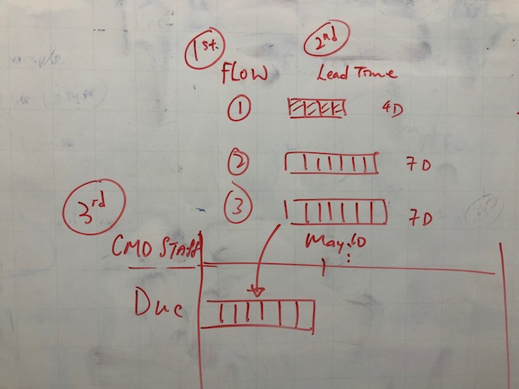

REMARKS: Create standard work flow, cycle time and visual job allocation to CMD team.

Prepared By : Ricky |  |  |  | Approved By : |  |  | Approved By :

Date : 25.04.2019 |  |  |  |  |  |  | Date :

Part 3- Kaizen 1
Kaizen / Poka Yoke

Theme | Group in order mapping to reduce lead time and risk in order filer |  |  |  |  | Lesson Number

Classification | Basic knowledge | Improvement cases | Trouble cases
Before |  |  |  |  | After
 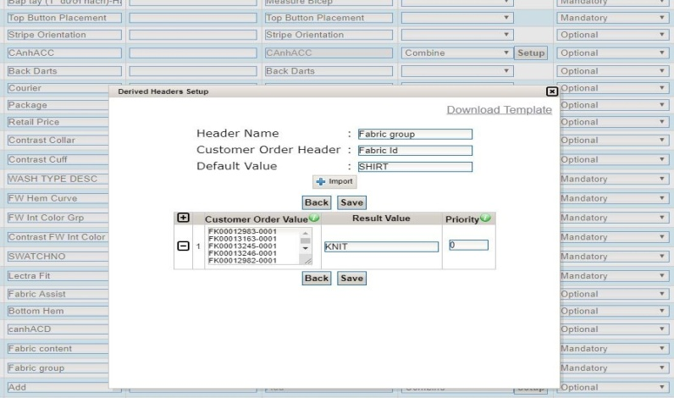 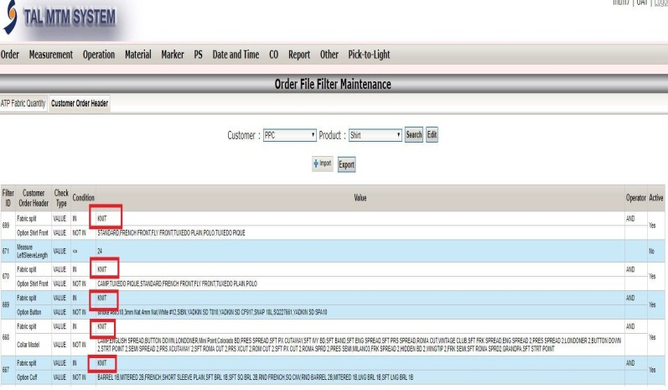

REMARKS: Set up 1 big group in order mapping for due the time set up in order filter and more exactly.

Prepared By : Linda |  |  |  | Approved By :

Date : 25.04.19

Part 4 - Kaizen 1
Kaizen / Poka Yoke

Theme | Convert from XML.file to Excell.file |  |  |  |  | Lesson Number

Classification | Basic knowledge | Improvement cases | Trouble cases
Before |  |  |  |  | After
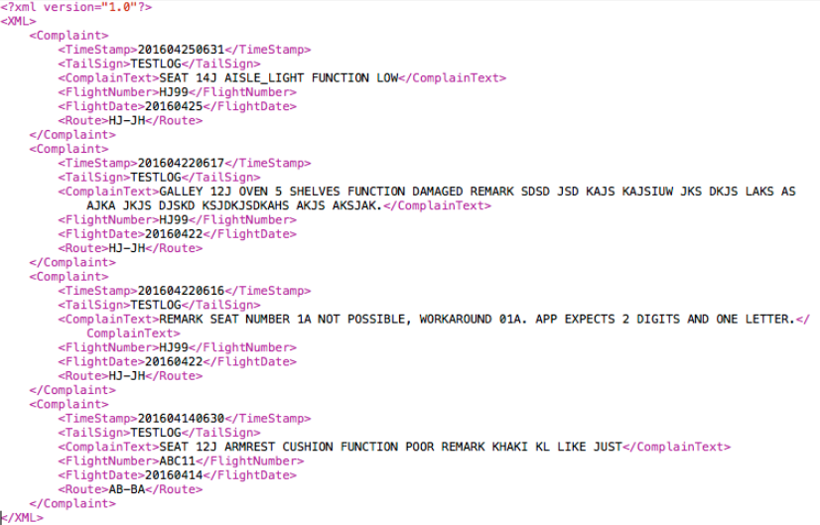 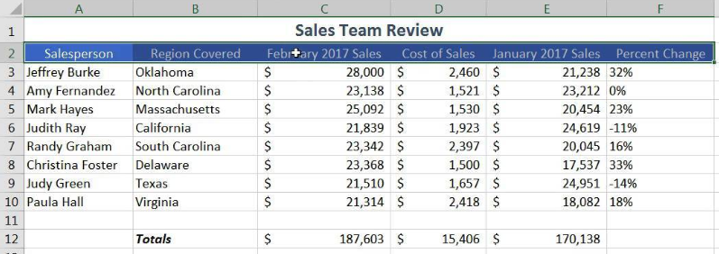

REMARKS:. with convert to Excell file the ISC is easy & familar to use. So, it make reduction human mistake when coppy content during creating testing order file

Prepared By : Cuong |  |  |  | Approved By :

Date : 24.04.19

